Product List
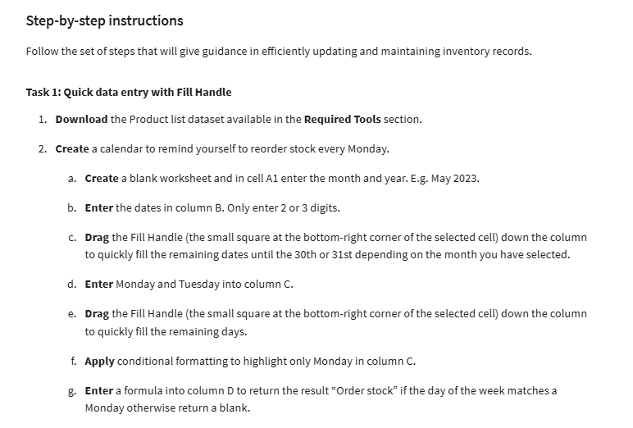
Product Name | Product ID | Product Code | Stock Level
Tool | 009 |  | 265
PVC | 007 |  | 238
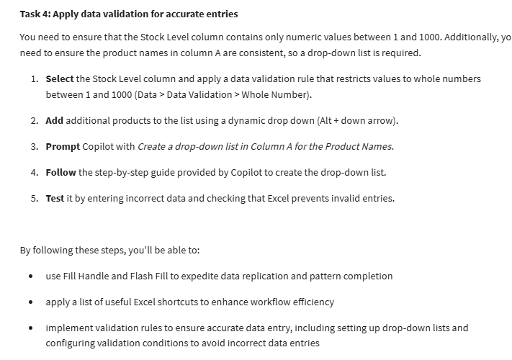
Tool | 002 |  | 499
Tool | 006 |  | 28
PVC | 005 |  | 290
Tool | 009 |  | 266
Nut | 002 |  | 491
Tool | 008 |  | 346
Tool | 001 |  | 325
Nut | 001 |  | 378
Nut | 005 |  | 328
Tool | 005 |  | 448
Tool | 007 |  | 292
Tool | 004 |  | 297
Tool | 002 |  | 337
Nut | 003 |  | 163
Tool | 007 |  | 436
Bolt | 005 |  | 299
Tool | 002 |  | 344
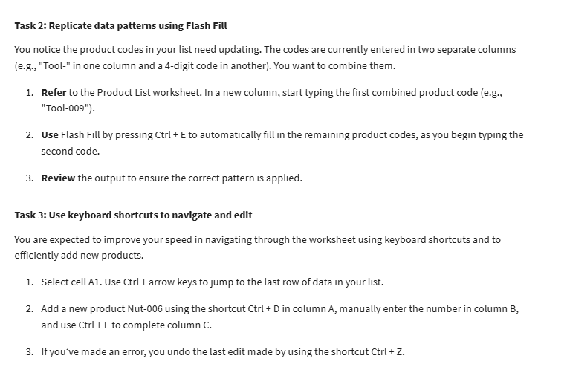
Bolt | 002 |  | 232
Bolt | 006 |  | 17
PVC | 007 |  | 193
PVC | 001 |  | 161
Tool | 002 |  | 480
PVC | 005 |  | 400
Bolt | 004 |  | 110
Tool | 005 |  | 59
PVC | 006 |  | 82
Tool | 001 |  | 446
Nut | 004 |  | 37

